Main
ANYGLIDE CATALOG PRICE LIST

SKU |  | Item (Additional Options Right Aligned) | MSRP | Contract | LBS
1208 |  | Mega 60 Truck Bed Storage Solution | $1,620 | $1,377 | 100
 |  | Outside Dimensions: 60"L x 19"W x 15"H
 |  | Includes Secondary Drawer, Lights, Carpet
1246 |  | Mega 60 with Cargo Glide | $2,020 | $1,717 | 127

1242 |  | ATB 60L x 19W CARGO-GLIDE KIT | $400 | $400 | 30

1230 |  | Standard 60 Truck Bed Storage Solution | $1,320 | $1,122 | 77
 |  | Outside Dimensions: 60"L x 19"W x 9"H
 |  | Includes Lights, Carpet

1250 |  | Standard 60 with Cargo Glide | $1,720 | $1,462 | 108

1461 |  | Mega 44 Truck Bed Storage Solution | $1,220 | $1,037 | 78
 |  | Outside Dimensions: 45"L x 19"W x 15"H

1711 |  | Mega 44 with Cargo Glide | $1,620 | $1,377 | 108

1452 |  | Standard 44 Truck Bed Storage Solution | $1,020 | $867 | 78
 |  | Outside Dimensions: 45"L x 19"W x 9"H
 |  | Includes Lights, Carpet

1426 |  | Gorilla Chevy Tahoe Command Center | $3,600 | $3,060 | 140
 |  | Outside Dimensions: 40"L x 45"W x 23"H
 |  | Includes Lights, Carpet, Electronic Latch

1624 |  | Ford Gorilla PIU Command Center | $3,600 | $3,060 | 140
 |  | Outside Dimensions: 40"L x 45"W x 23"H
 |  | Includes Lights, Carpet, Electronic Latch

1266 |  | Ford Inceptor Rear Command Center | $1,750 | $1,488 | 110
 |  | Outside Dimensions: 44"L x 41"W x 7"H

1115 |  | Command Center AnyBox | $1,750 | $1,488 | 85

1000 |  | Chevy Tahoe Rear Command Center (Lower) | $1,750 | $1,488 | 105
 |  | Outside Dimensions: 44"L x 41"W x 7"H

1115 |  | Command Center AnyBox | $1,750 | $1,488 | 85

1115 |  | Command Center AnyBox (Upper) | $1,750 | $1,488 | 85
 |  | Outside Dimensions: 40"L x 20"W x 17"H
 |  | Includes Cargo Glide on Top, Carpet, Secondary Drawer

1183-Traverse | 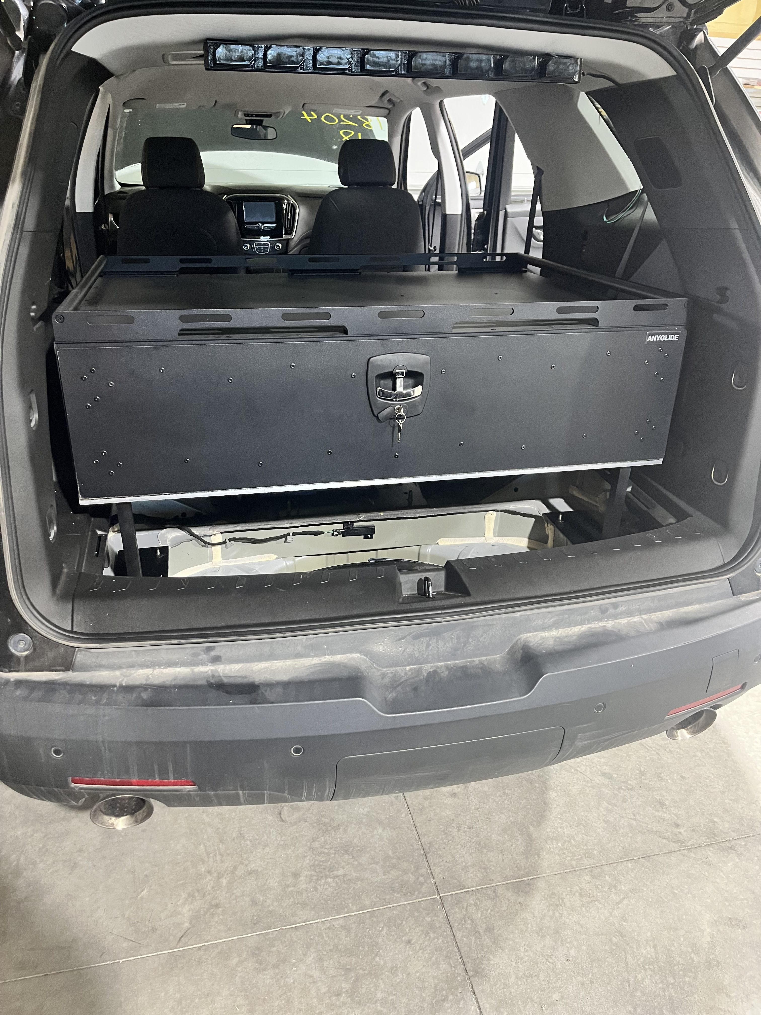 | Chevy Traverse Rear Storage Box | $1,980 | $1,683 | 110
 |  | Outside Dimensions: 35"L x 48"W x 14"H
 |  | Includes Lights

1626-Traverse |  | Electronic Latch | $2,330 | $1,981 | 110

1183 |  | Polaris Ranger SxS UTV Full Bed Storage | $1,980 | $1,683 | 110
 |  | Outside Dimensions: 35"L x 48"W x 14"H
 |  | Includes Lights

1626 |  | Electronic Latch | $2,330 | $1,981 | 110

800 |  | Polaris Ranger Elite Double Drawer Beach Patrol Storage System | $1,200 | $960 | 120
 |  | Outside Dimensions: 60"L x 19"W x 9"H
 |  | Includes Lights, Carpet

1971 |  | Dodge Durango Cargo Storage | $1,599 | $1,359 | 50
 |  | Outside Dimensions: 44"L x 20"W x 19"H
 |  | Includes Carpet
 |  | Electronic Lock +375; Cargo Glide +400; EL & CG +775; Lights +200

DIVIDERS |  | DRAWER DIVIDER SET | $500 | $425 | 5
 |  | Custom Placements & Storage Dividers

Version Updated: 05/31/2024

TBS .25 Ton Catalog
ANYGLIDE 1/4 Ton Truck Product PRICE LIST

SKU |  | Item (Additional Options Right Aligned) | MSRP | Contract | LBS
5722-1 |  | 22" Wide Single Box | $1,499 | $1,274 | 75
 |  | Final Outside Dimensions: 57"L x 22"W x 12"H
 |  | Consists of: 1-1786

5722-QG |  | 22" Wide Single Box w/ QG on Top | $1,899 | $1,614 | 105
 |  | Final Outside Dimensions: 57"L x 22"W x 15.5"H
 |  | Consists of: 1-1793

5722-2 | 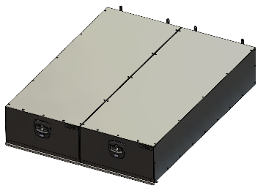 | 22" Wide Dual Boxes | $2,998 | $2,548 | 150
 |  | Final Outside Dimensions: 57"L x 44"W x 12"H
 |  | Consists of: 2-1786

5722-3 | 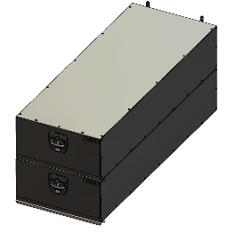 | 22" Wide Stacked Boxes | $2,998 | $2,548 | 150
 |  | Final Outside Dimensions: 57"L x 22"W x 23.5"H
 |  | Consists of: 2-1786
 |  |  | $1,499 |  | $70
5722-4 |  | 22" Wide Dual Boxes 1 With QG | $3,398 | $2,888 | 180
 |  | Final Outside Dimensions: 57"L x 44"W x 15.5"H
 |  | Consists of: 1-1786, 1-1793
 |  |  | $1,459 |  | $67
5722-5 | 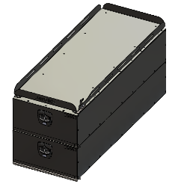 | 22" Wide Stacked Boxes 1 With QG | $3,398 | $2,888 | 180
 |  | Final Outside Dimensions: 57"L x 22"W x 26.75"H
 |  | Consists of: 1-1786, 1-1793
 |  |  | $1,419 |  | $63
5722-6 |  | 22" Wide Quad Boxes | $5,996 | $5,097 | 300
 |  | Final Outside Dimensions: 57"L x 44"W x 23.5"H
 |  | Consists of: 4-1786

5722-7 |  | 22" Wide Single Box With QG on Side | $2,323 | $1,975 | 125
 |  | Final Outside Dimensions: 57"L x 44"W x 12"H
 |  | Consists of: 1-1786, 1-1869

5722-8 |  | 22" Wide Single Box with QG on Top and QG on Side | $2,723 | $2,315 | 155
 |  | Final Outside Dimensions: 57"L x 44"W x 15.5"H
 |  | Consists of: 1-1793, 1-1869
 |  |  | $1,329 |  | $55
QG-5722-1 | 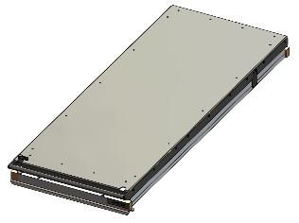 | 22" Wide QuickGlide | $824 | $700 | 75
 |  | Final Outside Dimensions: 57"L x 22"W x 4.5"H
 |  | Consists of: 1-1869
 |  |  | $1,289 |  | $52
QG-5722-2 |  | 22" Wide QuickGlide with Accessory Rails | $1,074 | $913 | 100
 |  | Final Outside Dimensions: 57"L x 22"W x 7.0"H
 |  | Consists of: 1-1869, 1-1869-RAIL-ACCESSORY

QG-5722-3 |  | 22" Wide Dual QuickGlides | $1,648 | $1,401 | 150
 |  | Final Outside Dimensions: 57"L x 44"W x 4.5"H
 |  | Consists of: 2-1869
 |  |  | $(6,029) |  | $52
QG-5722-4 |  | 24" Wide Single Box with QG on Side | $2,148 | $1,826 | 200
 |  | Final Outside Dimensions: 57"L x 44"W x 7.0"H
 |  | Consists of: 2-1869, 2-1869-RAIL-ACCESSORY

Version Updated: 12/2/2024

TBS .5 Ton Catalog
ANYGLIDE 1/2 Ton Truck Product PRICE LIST

SKU |  | Item (Additional Options Right Aligned) | MSRP | Contract | LBS
6416-1 |  | 16" Wide Single Box | $1,499 | $1,274 | 70
 |  | Final Outside Dimensions: 64"L x 16"W x 12"H
 |  | Consists of: 1-1818

6416-QG | 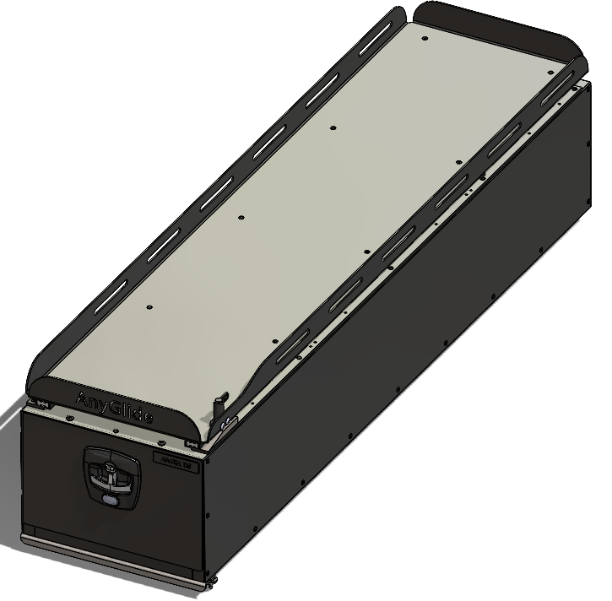 | 16" Wide Single Box w/ QG on Top | $1,899 | $1,614 | 105
 |  | Final Outside Dimensions: 64"L x 16"W x 15.5"H
 |  | Consists of: 1-1826

6416-2 | 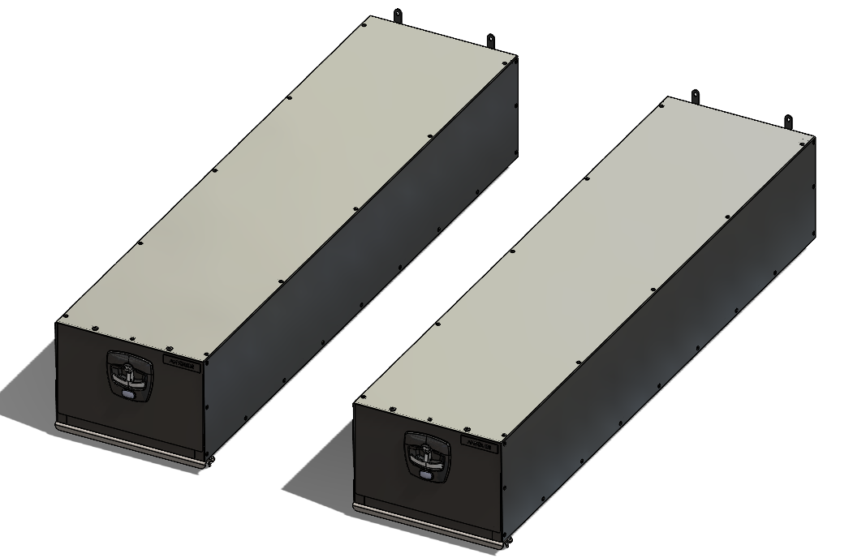 | 16" Wide Dual Boxes on either side of Truck Bed | $2,998 | $2,548 | 140
 |  | Final Outside Dimensions: 64"L x 48"W x 12"H (16" GAP)
 |  | Consists of: 2-1818 (16" Gap in between)

6416-3 | 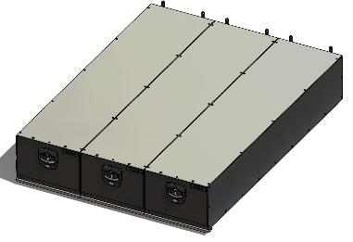 | 16" Wide Triple Boxes Across Truck Bed | $4,497 | $3,822 | 210
 |  | Final Outside Dimensions: 64"L x 48"W x 12"H
 |  | Consists of: 3-1818
 |  |  | $1,499 |  | $70
6416-6 | 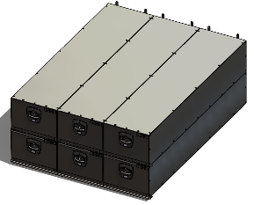 | 16" Wide Six Box Stacked Across Truck Bed | $8,994 | $7,645 | 420
 |  | Final Outside Dimensions: 64"L x 48"W x 23.5"H
 |  | Consists of: 6-1818
 |  |  | $1,459 |  | $67
6424-1 | 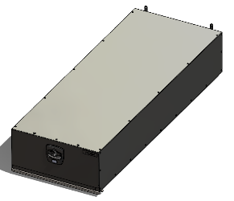 | 24" Wide Single Box | $1,699 | $1,444 | 84
 |  | Final Outside Dimensions: 64"L x 24"W x 12"H
 |  | Consists of: 1-1846
 |  |  | $1,419 |  | $63
6424-QG | 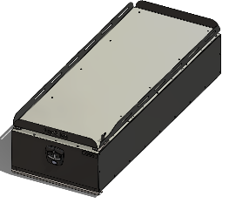 | 24" Wide Single Box w/ QG On Top | $2,099 | $1,784 | 123
 |  | Final Outside Dimensions: 64"L x 24"W x 15.5"H
 |  | Consists of: 1-1854

6424-2 | 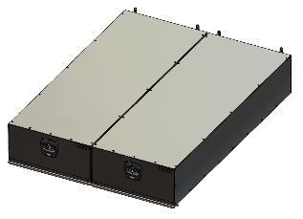 | 24" Wide Dual Boxes Side by Side | $3,398 | $2,888 | 168
 |  | Final Outside Dimensions: 64"L x 48"W x 12"H
 |  | Consists of: 2-1846

6424-3 |  | 24" Wide Single Box with 24" Wide Single Box w/ QG | $3,798 | $3,228 | 207
 |  | Final Outside Dimensions: 64"L x 48"W x 15.5"H
 |  | Consists of: 1-1846, 1-1854
 |  |  | $1,329 |  | $55
6424-4 | 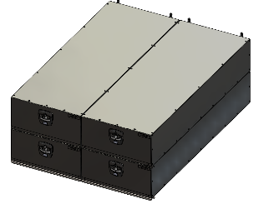 | 24" Wide Quad Boxes | $6,796 | $5,777 | 336
 |  | Final Outside Dimensions: 64"L x 48"W x 23.5"H
 |  | Consists of: 4-1846
 |  |  | $1,289 |  | $52
6424-5 |  | 24" Wide Dual Boxes Side by Side w/ QG's | $4,198 | $3,568 | 247
 |  | Final Outside Dimensions: 64"L x 48"W x 15.5"H
 |  | Consists of: 2-1854

6424-6 |  | 24" Wide Dual Boxes Stacked | $3,398 | $2,888 | 168
 |  | Final Outside Dimensions: 64"L x 24"W x 23.5"H
 |  | Consists of: 2-1846
 |  |  | $(6,029) |  | $52
6424-7 |  | 24" Wide Single Box with QG on Side | $2,548 | $2,166 | 154
 |  | Final Outside Dimensions: 64"L x 48"W x 12"H
 |  | Consists of: 1-1846, 1-1876

6424-8 |  | 24" Wide Single Box with QG on top and QG on Side | $2,948 | $2,506 | 193
 |  | Final Outside Dimensions: 64"L x 48"W x 15.5"H
 |  | Consists of: 1-1854, 1-1876

QG-6424-1 |  | 24" Wide Single QuickGlide | $849 | $722 | 70
 |  | Final Outside Dimensions: 64"L x 24"W x 4.5"H
 |  | Consists of: 1-1876

QG-6424-2 | 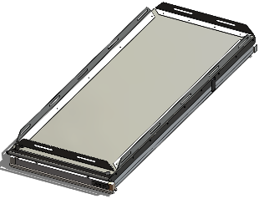 | 24" Wide Single QuickGlide w/ Accessory Rails | $1,099 | $934 | 80
 |  | Final Outside Dimensions: 64"L x 24"W x 6.5"H
 |  | Consists of: 1-1876, 1-1876-RAIL-ACCESSORY
 |  |  | $(10,339) |  | $52
QG-6424-3 |  | 24" Wide Dual QuickGlides | $1,698 | $1,443 | 140
 |  | Final Outside Dimensions: 64"L x 48"W x 4.5"H
 | 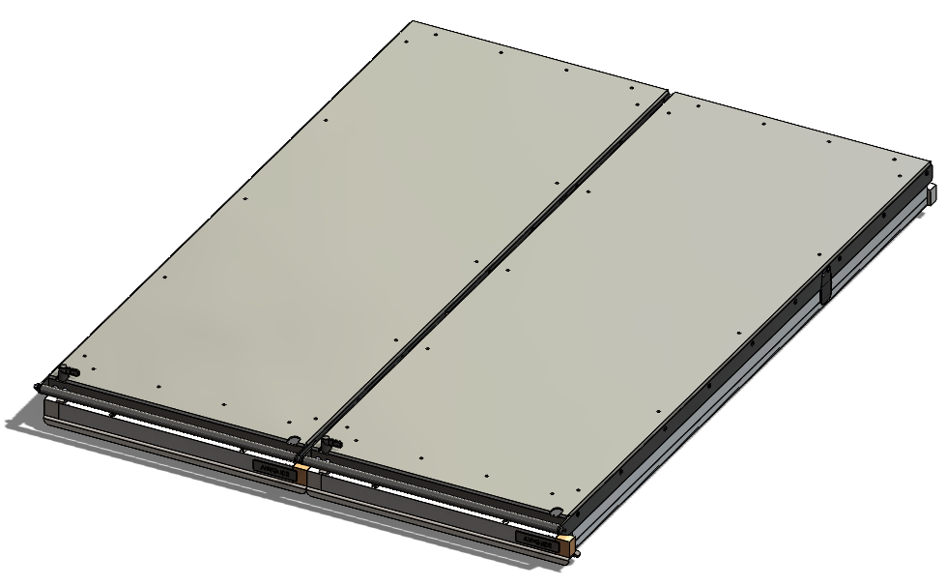 | Consists of: 2-1876
 |  |  | $(13,969)
QG-6424-4 |  | 24" Wide Dual QuickGlides w/ Accessory Rails | $2,198 | $1,868 | 160
 |  | Final Outside Dimensions: 64"L x 48"W x 6.5"H
 |  | Consists of: 2-1876, 2-1876-RAIL-ACCESSORY
 |  |  | $(17,599) |  | $52

Version Updated: 11/25/2024

