ProductREF
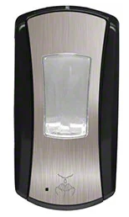
 | GP-59462A | GJ-P191904 |  | GP-56744A
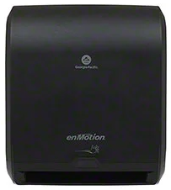 | GP Pro™ enMotion® 10" Automated Touchless Dispenser | Primory® LTX-12™ Touch Free 1200 mL Dispenser | 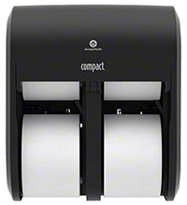 | GP Pro™ Compact® Quad Coreless Tissue Dispenser

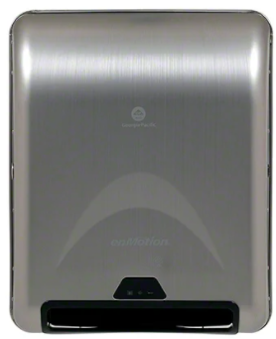
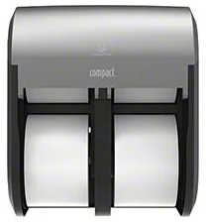

 | GP-59466A |  |  | GP-56744A
 | GP Pro™ enMotion® 8" Recessed Automated Towel Dispenser

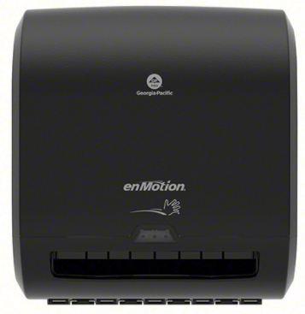
 | GP-59498A
 | GP Pro™ enMotion® Impulse® 8" Automated Dispenser
 | Use with: 89410, 89415, 89420, 89430, 89440

 | https://catalog.nationalew.com/p/GP-59466A/GP-Pro-enMotion-8-Recessed-Automated-Towel-Dispenser/
 | https://catalog.nationalew.com/p/GP-59466A/GP-Pro-enMotion-8-Recessed-Automated-Towel-Dispenser/
 | https://catalog.nationalew.com/p/GP-59466A/GP-Pro-enMotion-8-Recessed-Automated-Towel-Dispenser/

