Cover
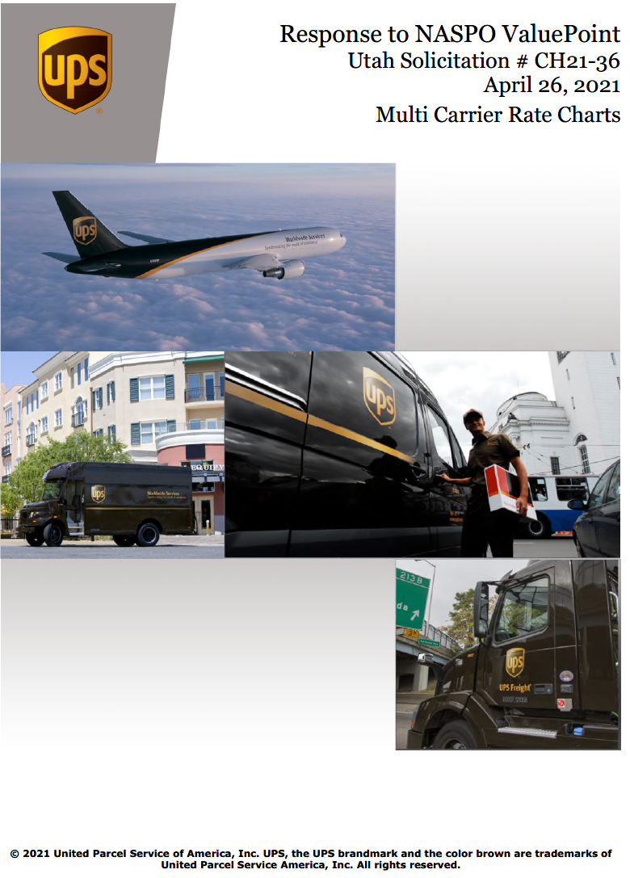

“UPS offers customized rate sheets identifying its firm offer of rates and prices for transportation rates and prices. The rates and prices identified in the rate sheets will be guaranteed for 12-month periods and increase only with approval by the Lead State. Other fees and charges that may impact an authorized user’s invoice are identified in UPS’s Rate and Service Guide and as described in UPS’s Tariff/Terms and Conditions of Service, in effect at the time of shipping. These fees and charges are subject to change without notice. In accordance with the conditions of the solicitation, UPS has waived all pick-up charges, including on-call/on-demand, and capped fuel surcharges at 7%. Fuel surcharge information is posted on UPS’s website, www.ups.com.”

